Лист1
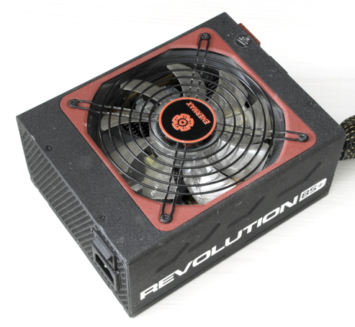
xDevs.com
PSU check report
Neutron ATE ver.2.0 | FW.1.8C
 | SW.420
AC 210V 50Hz

PSU vendor name | Enermax
PSU model code | ERV1050EWT
PSU model name | Revolution85+ 1050W
Serial number | 8CB0060075
 | +3.3V | +5V | +5Vsb | +12v1 | +12V2 | +12V3 | +12V4 | +12V5 | +12V6 | +12V7 | +12V8 | -12V | +12V overall
DC outputs, A | 25 | 25 | 5 | 30 | 30 | 30 | 30 | 30 | 30 |  |  | 0.6 | 87
Total output, A (W) | 170W |  | 25W | 1044
AC input | 115-240 |  | 11-5.5A |  | 50/60Hz

Power-on time | 340 | ms
Power-off time | 31 | ms

DC output tests
 | +3.3V | +5V | +5Vs | +12v1 | +12V2 | +12V3 | +12V4 | +12V5 | +12V6 | +12V7 | +12V8 | -12V | +12V overall
Short-current test | PASS | PASS |  | PASS | PASS | PASS | PASS | PASS | PASS | PASS | PASS |  | PASS
OCP
DC output test | PASS | PASS | PASS | PASS | PASS | PASS | PASS | PASS | PASS | PASS | PASS | PASS | PASS
mV value, at 50% load | 3323 | 5009 | 5047 | 12160 | 12142 | 12136 | 12129 | 12145 | 12137 | 12140 | 12114 | -11745 | 12138
mV value, at 100% load | 3261 | 4953 | 4979 | 12063 | 12036 | 12016 | 12004 | 12034 | 12025 | 12024 | 11975 | -11652 | 12022
mV value, at 120% load |  |  |  |  |  |  |  |  |  |  |  |  | 0
Ripple test | PASS | PASS | PASS | PASS | PASS | PASS | PASS | PASS | PASS | PASS | PASS | PASS | PASS
at 50% load, mV | 31 | 30 | 15 | 29 | 29 | 30 | 28 | 29 | 30 | 28 | 29 | 15 | 29
at 100% load. mV | 35 | 36 | 25 | 34 | 35 | 37 | 35 | 35 | 35 | 36 | 34 | 18 | 35

Cross-loading test | +3.3V | +5V | +5Vsb | +12v1 | +12V2 | +12V3 | +12V4 | +12V5 | +12V6 | +12V7 | +12V8 | -12V | +12V overall
 | PASS | PASS | PASS | PASS | PASS | PASS | PASS | PASS | PASS | PASS | PASS |  | PASS

Efficiency test, load | 10% | 20% | 30% | 40% | 50% | 60% | 70% | 80% | 90% | 100% | 110% | 120%
DC output | 105 | 210 | 315 | 420 | 525 | 630 | 735 | 840 | 945 | 1050 | 1155 | 1260
AC input | 135 | 251 | 369 | 480 | 589 | 703 | 811 | 930 | 1061 | 1184 | 1317 | 1498
 | 78% | 84% | 85% | 88% | 89% | 90% | 91% | 90% | 89% | 89% | 88% | 84%
Stand-by test | 10% | 20% | 30% | 40% | 50% | 60% | 70% | 80% | 90% | 100% | 110% | 120%
 | PASS | PASS | PASS | PASS | PASS | PASS | PASS | PASS | PASS | PASS | PASS | PASS

Efficiency, load %
Cable management
ATX 24pin M/B
ATX 4pin CPU1
ATX 4/8pin CPU2
PEG 6/8pin
PEG 6/8pin
PEG 6/8pin
PEG 6/8pin
4-pin peripheral
5-pin SATA

