Лист1
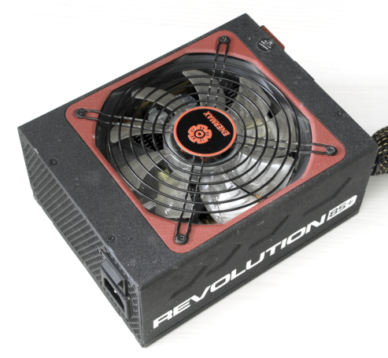
xDevs.com
PSU check report
Neutron ATE ver.2.0 | FW.1.8C
 | SW.420
AC 210V 50Hz

PSU vendor name | Enermax
PSU model code | ERV1250EGT
PSU model name | Revolution85+ 1250W
Serial number | 97A5100044
 | +3.3V | +5V | +5Vsb | +12v1 | +12V2 | +12V3 | +12V4 | +12V5 | +12V6 | +12V7 | +12V8 | -12V | +12V overall
DC outputs, A | 25 | 25 | 5 | 30 | 30 | 30 | 30 | 30 | 30 |  |  | 0.6 | 104
Total output, A (W) | 170W |  | 25W | 1248W
AC input | 220-240V |  | 7.5-6A |  | 50/60Hz

Power-on time | 335 | ms
Power-off time | 29 | ms

DC output tests
 | +3.3V | +5V | +5Vs | +12v1 | +12V2 | +12V3 | +12V4 | +12V5 | +12V6 | +12V7 | +12V8 | -12V | +12V overall
Short-current test | PASS | PASS |  | PASS | PASS | PASS | PASS | PASS | PASS | PASS | PASS |  | PASS
OCP
DC output test | PASS | PASS | PASS | PASS | PASS | PASS | PASS | PASS | PASS | PASS | PASS | PASS | PASS
mV value, at 50% load | 3246 | 4946 | 5039 | 12081 | 12073 | 12044 | 12017 | 12099 | 12090 | 12070 | 12012 | -11673 | 12061
mV value, at 100% load | 3159 | 4796 | 4869 | 11846 | 11820 | 11735 | 11693 | 11855 | 11871 | 11838 | 11735 | -11538 | 11799
mV value, at 120% load | 3149 | 4815 | 4968 | 11818 | 11806 | 11662 | 11665 | 11855 | 11861 | 11833 | 11689 | -11546 | 11774
Ripple test | PASS | PASS | PASS | PASS | PASS | PASS | PASS | PASS | PASS | PASS | PASS | PASS | PASS
at 50% load, mV | 32 | 33 | 29 | 38 | 34 | 36 | 38 | 38 | 37 | 37 | 36 | 35 | 37
at 100% load. mV | 41 | 44 | 30 | 54 | 52 | 55 | 56 | 53 | 53 | 54 | 55 | 38 | 54

Cross-loading test | +3.3V | +5V | +5Vsb | +12v1 | +12V2 | +12V3 | +12V4 | +12V5 | +12V6 | +12V7 | +12V8 | -12V | +12V overall
 | PASS | PASS | PASS | PASS | PASS | PASS | PASS | PASS | PASS | PASS | PASS |  | PASS

Efficiency test, load | 10% | 20% | 30% | 40% | 50% | 60% | 70% | 80% | 90% | 100% | 110% | 120%
DC output | 125 | 250 | 375 | 500 | 625 | 750 | 875 | 1000 | 1125 | 1250 | 1375 | 1507
AC input | 161 | 292 | 426 | 563 | 696 | 821 | 975 | 1122 | 1295 | 1456 | 1605 | 1779
 | 78% | 86% | 88% | 89% | 90% | 91% | 90% | 89% | 87% | 86% | 86% | 85%
Stand-by test | 10% | 20% | 30% | 40% | 50% | 60% | 70% | 80% | 90% | 100% | 110% | 120%
 | PASS | PASS | PASS | PASS | PASS | PASS | PASS | PASS | PASS | PASS | PASS | PASS

Efficiency, load %
Cable management
ATX 24pin M/B
ATX 4pin CPU1
ATX 4/8pin CPU2
PEG 6/8pin
PEG 6/8pin
PEG 6/8pin
PEG 6/8pin
4-pin peripheral
5-pin SATA

