Лист1
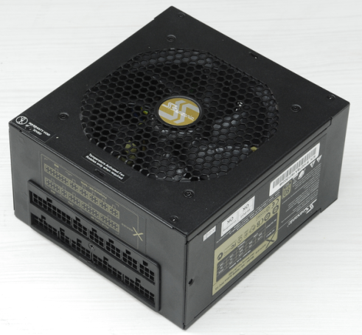
xDevs.com
PSU check report
Neutron ATE ver.2.0 | FW.1.8C
 | SW.420
AC 200V 50Hz

PSU vendor name | Seasonic
PSU model code | SS-750KM
PSU model name | X-750
Serial number | R1007BA180130246
 | +3.3V | +5V | +5V stb | +12v1 | +12V2 | +12V3 | +12V4 | +12V5 | +12V6 | +12V7 | +12V8 | -12V | +12V overall
DC outputs, A | 25 | 25 | 3 | 62 |  |  |  |  |  |  |  | 1
Total output, A (W) | 125W |  | 15W | 750W
AC input | 100-240V |  | 10-5A |  | 50/60Hz

Power-on time | 307 | ms
Power-off time | 36 | ms

DC output tests
 | +3.3V | +5V | +5V stb | +12v1 | +12V2 | +12V3 | +12V4 | +12V5 | +12V6 | +12V7 | +12V8 | -12V | +12V overall
Short-current test | PASS | PASS |  | PASS | PASS | PASS | PASS | PASS |  |  |  |  | PASS
OCP |  |  |  | single rail
DC output test | PASS | PASS | PASS | PASS | PASS | PASS | PASS | PASS |  |  |  | PASS | PASS
mV value, at 50% load |  |  |  |  |  |  |  |  |  |  |  |  | 0

Ripple test | PASS | PASS | PASS | PASS | PASS | PASS | PASS | PASS |  |  |  | PASS | PASS
at 50% load, mV | 23 | 26 | 29 | 29 | 29 | 29 | 29 | 29 |  |  |  | 33 | 29
at 100% load. mV | 31 | 33 | 30 | 42 | 43 | 43 | 44 | 42 |  |  |  | 35 | 44

Cross-loading test | +3.3V | +5V | +5V stb | +12v1 | +12V2 | +12V3 | +12V4 | +12V5 | +12V6 | +12V7 | +12V8 | -12V | +12V overall
 | PASS | PASS | PASS | PASS | PASS | PASS | PASS | PASS |  |  |  |  | PASS
 | 3% | 1% | 3% | 3% | 3% | 3% | 3% | 3% |  |  |  |  | 2%
Efficiency test, load | 10% | 20% | 30% | 40% | 50% | 60% | 70% | 80% | 90% | 100% | 110% | 120%
DC output | 75 | 150 | 225 | 300 | 375 | 450 | 525 | 600 | 675 | 750 | 825 | 900
AC input | 88 | 170 | 248 | 322 | 398 | 478 | 557 | 641 | 731 | 819 | 920 | 1012
 | 85% | 88% | 91% | 93% | 94% | 94% | 94% | 94% | 92% | 92% | 90% | 89%
Stand-by test | 10% | 20% | 30% | 40% | 50% | 60% | 70% | 80% | 90% | 100% | 110% | 120%
 | PASS | PASS | PASS | PASS | PASS | PASS | PASS | PASS | PASS | PASS | PASS | PASS

Efficiency, load %
Cable management
ATX 24pin M/B
ATX 4/8pin CPU1
ATX 4/8pin CPU2
PEG 6/8pin
PEG 6/8pin
PEG 6/8pin
PEG 6/8pin
PEG 6/8pin
PEG 6/8pin
PEG 6/8pin
PEG 6/8pin
4-pin peripheral
5-pin SATA

