Лист1
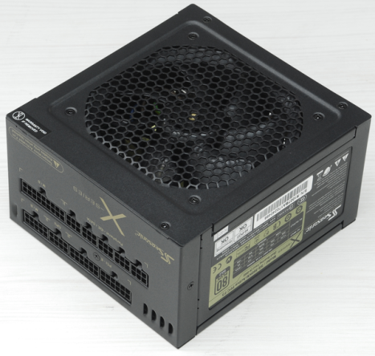
xDevs.com
PSU check report
Neutron ATE ver.2.0 | FW.1.8C
 | SW.420
AC 200V 50Hz

PSU vendor name | Seasonic
PSU model code | SS-560KM
PSU model name | X-560
Serial number | R1007BA170240466
 | +3.3V | +5V | +5V stb | +12v1 | +12V2 | +12V3 | +12V4 | +12V5 | +12V6 | +12V7 | +12V8 | -12V | +12V overall
DC outputs, A | 25 | 25 | 3 | 46 |  |  |  |  |  |  |  | 1
Total output, A (W) | 125W |  | 15W | 560W
AC input | 100-240V |  | 7-3.5A |  | 50/60Hz

Power-on time | 587 | ms
Power-off time | 42 | ms

DC output tests
 | +3.3V | +5V | +5V stb | +12v1 | +12V2 | +12V3 | +12V4 | +12V5 | +12V6 | +12V7 | +12V8 | -12V | +12V overall
Short-current test | PASS | PASS |  | PASS | PASS | PASS | PASS | PASS |  |  |  |  | PASS
OCP |  |  |  | single rail
DC output test | PASS | PASS | PASS | PASS | PASS | PASS | PASS | PASS |  |  |  | PASS | PASS
mV value, at 50% load | 3357 | 4992 | 5069 | 12160 | 12147 | 12155 | 12147 | 12168 |  |  |  |  | 12155

Ripple test | PASS | PASS | PASS | PASS | PASS | PASS | PASS | PASS |  |  |  | PASS | PASS
at 50% load | 20 mV | 22 mV | 30 mV | 25 mV | 25 mV | 25 mV | 25 mV | 25 mV |  |  |  | 20mV | 28 mV
at 100% load | 23 mV | 25 mV | 33 mV | 28 mV | 28 mV | 28 mV | 28 mV | 28 mV |  |  |  | 20mV | 28 mV

Cross-loading test | +3.3V | +5V | +5V stb | +12v1 | +12V2 | +12V3 | +12V4 | +12V5 | +12V6 | +12V7 | +12V8 | -12V | +12V overall
 | PASS | PASS | PASS | PASS | PASS | PASS | PASS | PASS |  |  |  |  | PASS
 | 3% | 1% | 3% | 3% | 3% | 3% | 3% | 3% | 3% | 3% | 3% |  | 2%
Efficiency test, load | 10% | 20% | 30% | 40% | 50% | 60% | 70% | 80% | 90% | 100% | 110% | 120%
DC output | 56 | 112 | 168 | 224 | 280 | 336 | 392 | 448 | 504 | 560 | 616 | 672
AC input | 79 | 143 | 193 | 253 | 309 | 369 | 429 | 490 | 560 | 620 | 687 | 753
 | 71% | 78% | 87% | 89% | 91% | 91% | 91% | 91% | 90% | 90% | 90% | 89%
Stand-by test | 10% | 20% | 30% | 40% | 50% | 60% | 70% | 80% | 90% | 100% | 110% | 120%
 | PASS | PASS | PASS | PASS | PASS | PASS | PASS | PASS | PASS | PASS | PASS | PASS

Efficiency, load %
Cable management
ATX 24pin M/B
ATX 4/8pin CPU1
ATX 4/8pin CPU2
PEG 6/8pin
PEG 6/8pin
PEG 6/8pin
PEG 6/8pin
PEG 6/8pin
PEG 6/8pin
PEG 6/8pin
PEG 6/8pin
4-pin peripheral
5-pin SATA

